Pearson's 1st
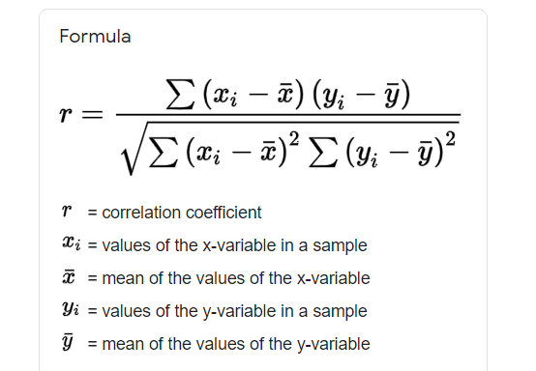
14.977777778 |  |  |  |  |  | n-2
2.1705094128 | 11.57631682
25.126504623 |  | x | y | (xi- x̅ ) | (yi-y̅) | (xi- x̅ )*(yi-y̅) | (xi- x̅ )^2 | (yi-y̅)^2
 | 0.59609476139 | 17 | 94 | 1.4 | 14.3 | 20.02 | 1.96 | 204.49
 |  | 13 | 73 | -2.6 | -6.7 | 17.42 | 6.76 | 44.89
14.977777778 |  | 12 | 59 | -3.6 | -20.7 | 74.52 | 12.96 | 428.49
 |  | 15 | 80 | -0.6 | 0.3 | -0.18 | 0.36 | 0.09
2.1705094128 | 11.57631682 | 16 | 93 | 0.4 | 13.3 | 5.32 | 0.16 | 176.89
 |  | 14 | 85 | -1.6 | 5.3 | -8.48 | 2.56 | 28.09
25.126504623 |  | 16 | 66 | 0.4 | -13.7 | -5.48 | 0.16 | 187.69
 |  | 16 | 79 | 0.4 | -0.7 | -0.28 | 0.16 | 0.49
 |  | 18 | 77 | 2.4 | -2.7 | -6.48 | 5.76 | 7.29
0.59609476139 |  | 19 | 91 | 3.4 | 11.3 | 38.42 | 11.56 | 127.69
0.59609476139 |  | x̅ | y̅ |  |  | ∑(xi- x̅ ) (yi-y̅) | ∑(xi- x̅ )^2 | ∑(yi-y̅)^2
 |  | 15.6 | 79.7 |  |  | 134.8 | 42.4 | 1206.1
 |  |  |  |  |  |  |  |  |  | 51138.64

 | n=10 |  |  |  |  | Denominator | √∑(xi- x̅ ) (yi-y̅) | √51338.64 | 226.13854161
 | Alpha=0.05 |  |  |  |  |  |  |  |  |  | 0.59609476139
 | Two tailed |  |  |  |  | Numerator | 134.8
 | C.V.
 |  | 0.59609476139
 |  |  |  |  |  | r | 0.59609476139

 |  |  |  |  |  |  | 0.59609476139

Practice Example
 |  |  | Math Score | Stats Score | (xi- x̅ ) | (yi-y̅) | (xi- x̅ )*(yi-y̅) | (xi- x̅ )^2 | (yi-y̅)^2
 |  |  | 19 | 24 | 1.64 | 6.82 | 11.16 | 2.68 | 46.49
1.5272727273 |  |  | 14 | 24 | -3.36 | 6.82 | -22.93 | 11.31 | 46.49
3.2022719208 | 5.7239528618 |  | 23 | 22 | 5.64 | 4.82 | 27.16 | 31.77 | 23.21
 |  |  | 14 | 11 | -3.36 | -6.18 | 20.79 | 11.31 | 38.21
 | 18.329653525 |  | 17 | 20 | -0.36 | 2.82 | -1.02 | 0.13 | 7.94
 |  |  | 15 | 13 | -2.36 | -4.18 | 9.88 | 5.59 | 17.49
r | 0.083322509353 |  | 16 | 11 | -1.36 | -6.18 | 8.43 | 1.86 | 38.21
 |  |  | 15 | 24 | -2.36 | 6.82 | -16.12 | 5.59 | 46.49
 | CV | 0.553 | 23 | 14 | 5.64 | -3.18 | -17.93 | 31.77 | 10.12
 | Table Value |  | 18 | 10 | 0.64 | -7.18 | -4.57 | 0.40 | 51.58
 |  |  | 17 | 16 | -0.36 | -1.18 | 0.43 | 0.13 | 1.40

 |  |  | 17.363636364 | 17.181818182

Spearman Rank's 1
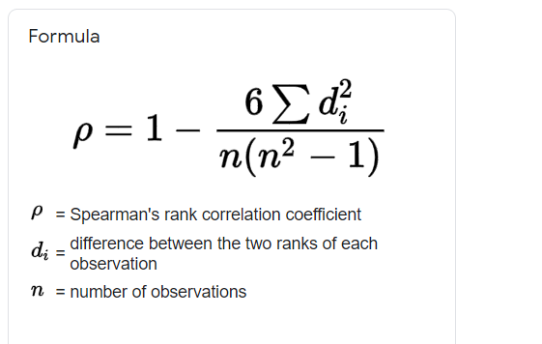

RANKS
R1 | R2 | Difference(D) | D^2
2 | 1 | 1 | 1
1 | 3 | -2 | 4 |  | 1-((6*12)/(7(7^2-1))) | 0.78571
4 | 2 | 2 | 4
3 | 4 | -1 | 1
5 | 5 | 0 | 0
7 | 6 | 1 | 1
6 | 7 | -1 | 1
 |  |  | ∑D^2= | 12

 |  |  | n=7

